Sheet1
 |  |  |  | Bug Report
 |  |  |  | Project Name | https://notes-makers.vercel.app/pages/login
 |  |  |  | Client | Note Master
 |  |  |  | Created By | Vinita
 |  |  |  | Creation Date | 04/23/2025
 |  |  |  | Approved By | Pooja Maam

BUG ID | TC ID | Module | Bug Description | Steps to Reproduce | Expected Result | Actual Result | Suggested Fix / Developer Notes | Priority | Status | ScreenShort
BUG_001 | TC_016 | Login | OTP input field is missing after user initiates password reset via email. | 1. Go to login page → Click "Forgot Password" → Enter email ID → Submit | OTP input field should appear on the screen | OTP is sent via email, but there’s no field on the UI to enter it. | Add UI component for OTP input after email is submitted. Ensure visibility and frontend linkage with backend OTP service. | High | Fail | 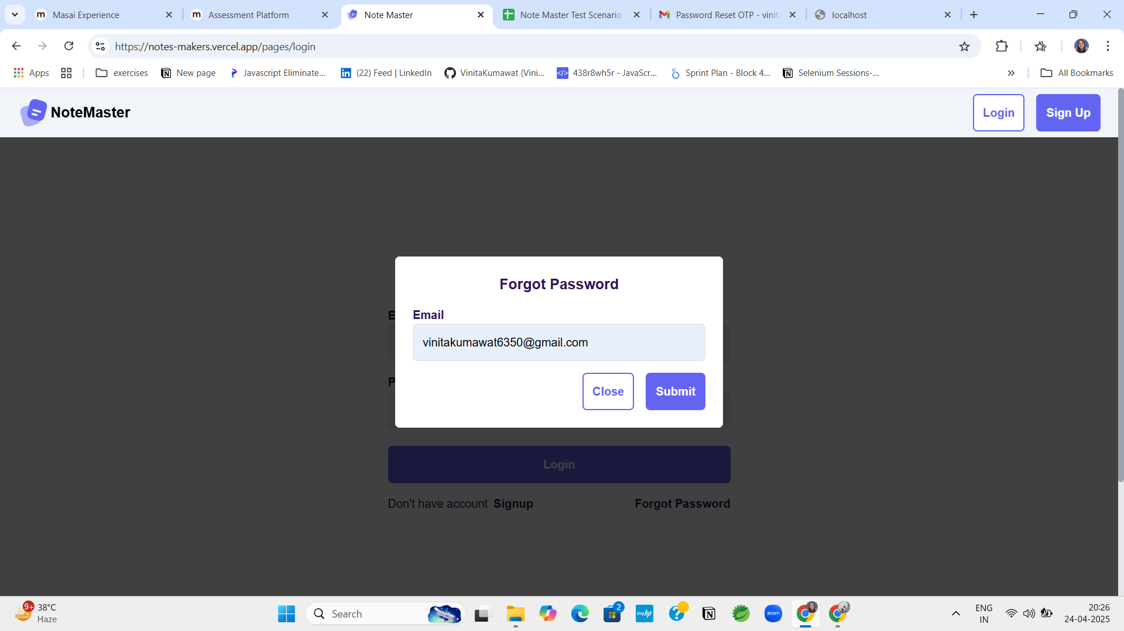
BUG_002 | TC_018 | Dashboard | Dashboard count values for notebooks, notes, and todos are not updating accurately. | 1. Log in → Navigate to Dashboard → Observe stat boxes for notes, notebooks, and todos. | Counts should reflect actual number of items created or completed. | Some counts are outdated or incorrect (e.g., completed tasks still show as zero). | Recheck API integration for fetching item stats. Add auto-refresh or live updates on dashboard data rendering. | Medium | Fail | 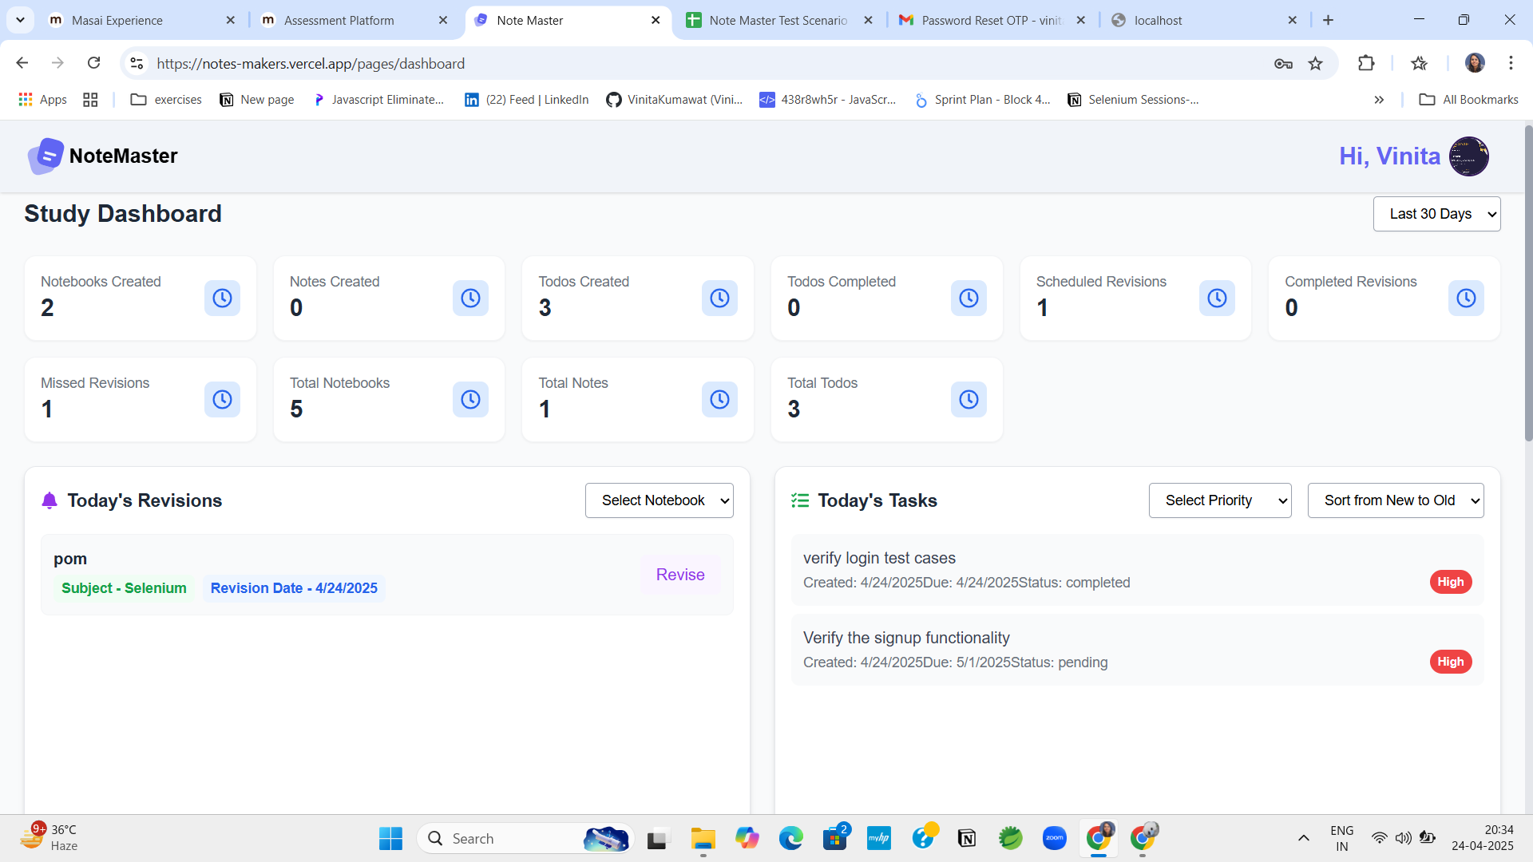
BUG_003 | TC_025 | Notebook | Duplicate notebook names can be created without warnings or distinction. | 1. Create a notebook with the name "Selenium" → Try creating another with the same name. | App should prevent duplicates or allow them with differentiators (versioning). | Multiple notebooks with the same name are allowed. | Add backend validation for unique names or implement a versioning/tagging logic for duplicates. | Medium | Fail | 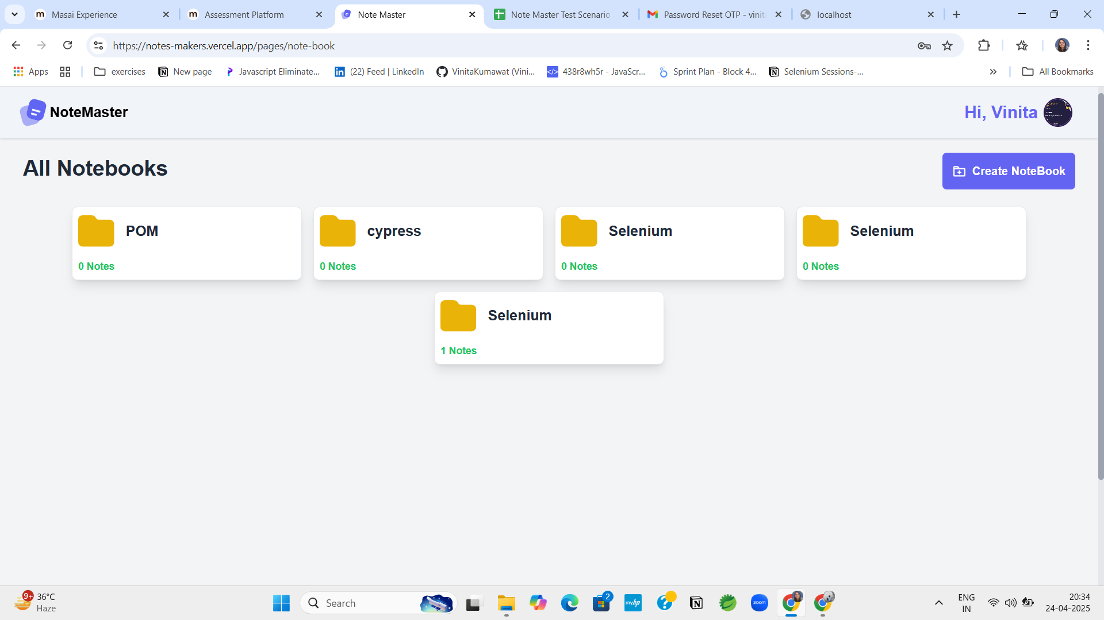
BUG_004 | TC_027 | Notebook | "Create Notebook" button is unresponsive and doesn’t open creation modal. | 1. Click the “Create Notebook” button on the notebook page. | Modal window or redirect should open to create a new notebook. | Nothing happens when the button is clicked. | Inspect frontend button event binding and ensure modal logic is integrated correctly. | High | Fail | 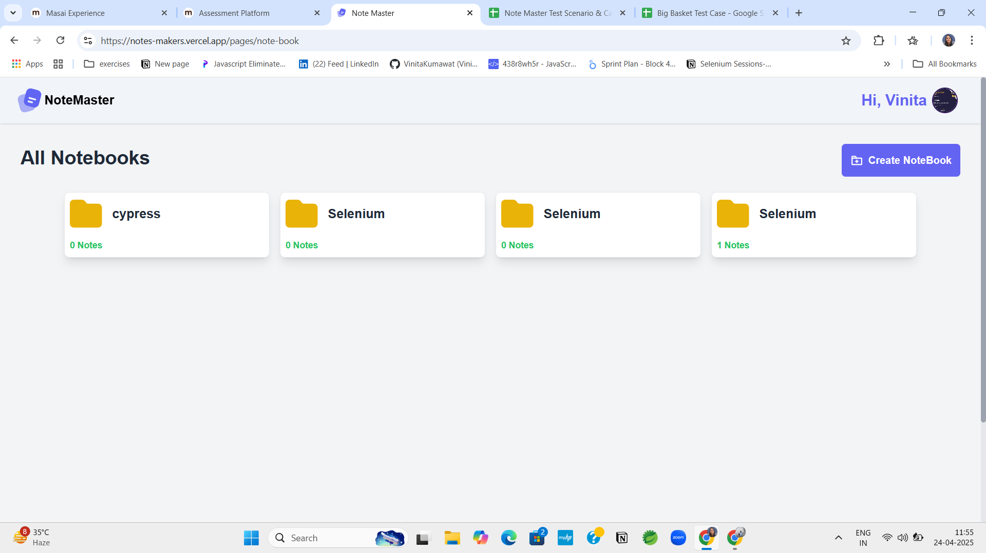
BUG_005 | TC_029 | Notes | Unable to create a note; form submission not functioning. | 1. Click “Write Note” → Fill in all fields → Click Save/Submit | Note should be saved and appear in the list. | Note is not created; form submission appears broken. | Check input validation, submission handler, and ensure backend endpoint is receiving data. | High | Fail | 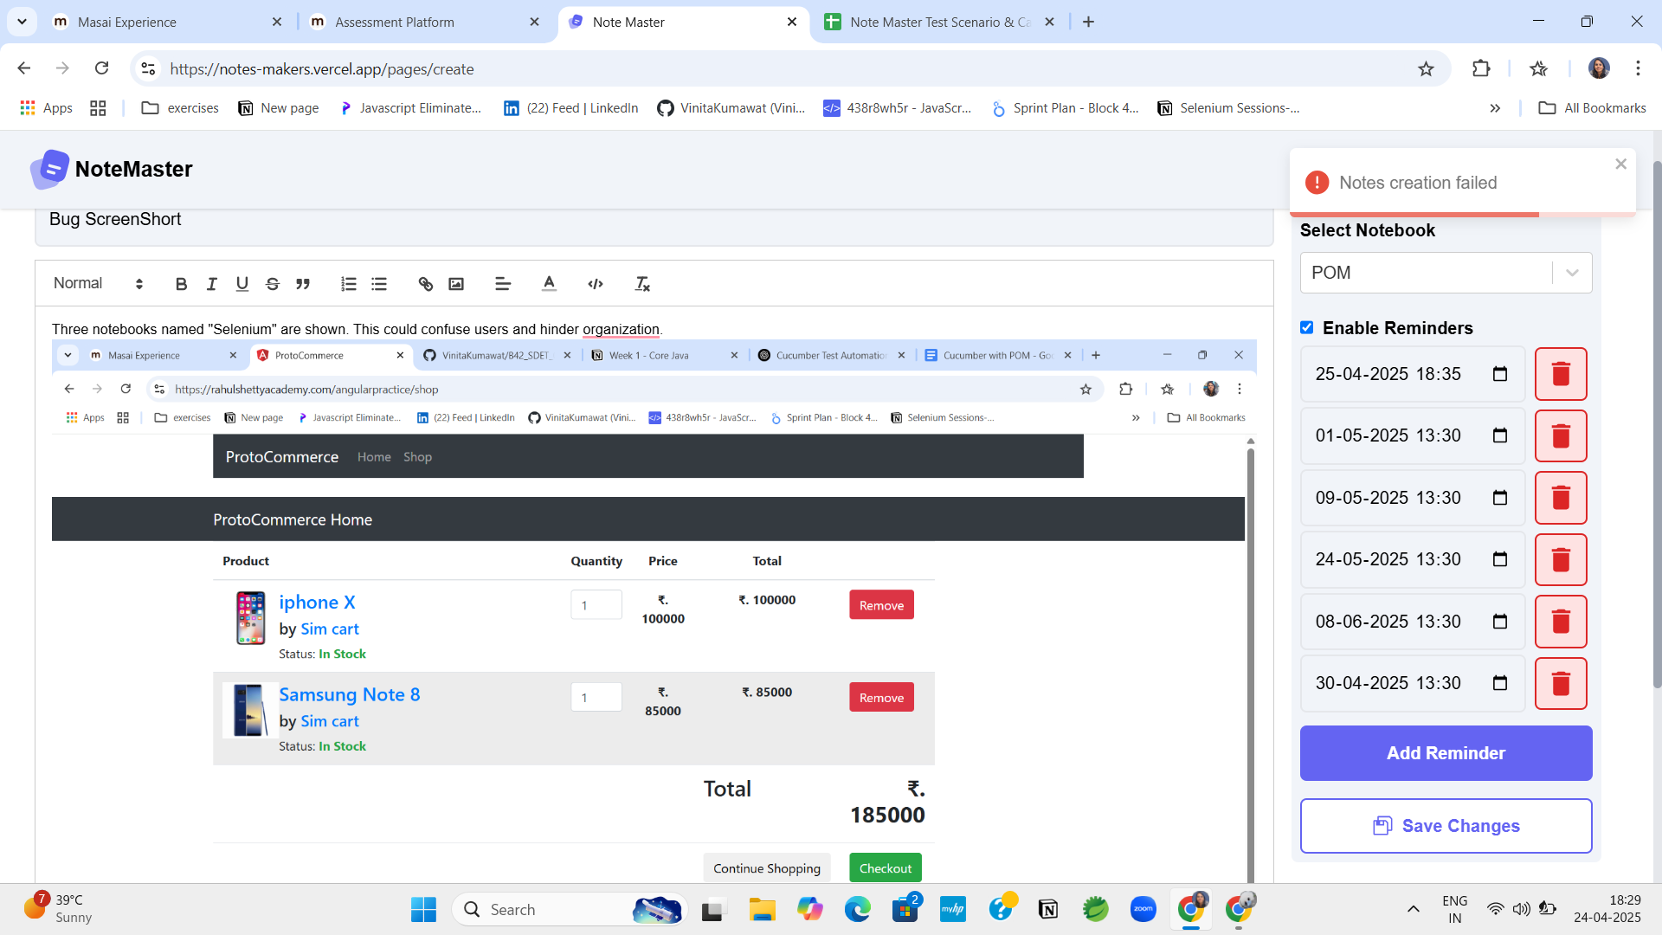
BUG_006 | TC_038 | ToDo | Application allows setting past due dates without warning. | 1. Try to add a ToDo with a past date → Click Add | System should reject or warn when setting a past due date. | Past dates are accepted without validation or feedback. | Add client-side and server-side validations to disallow past dates. | Medium | Fail | 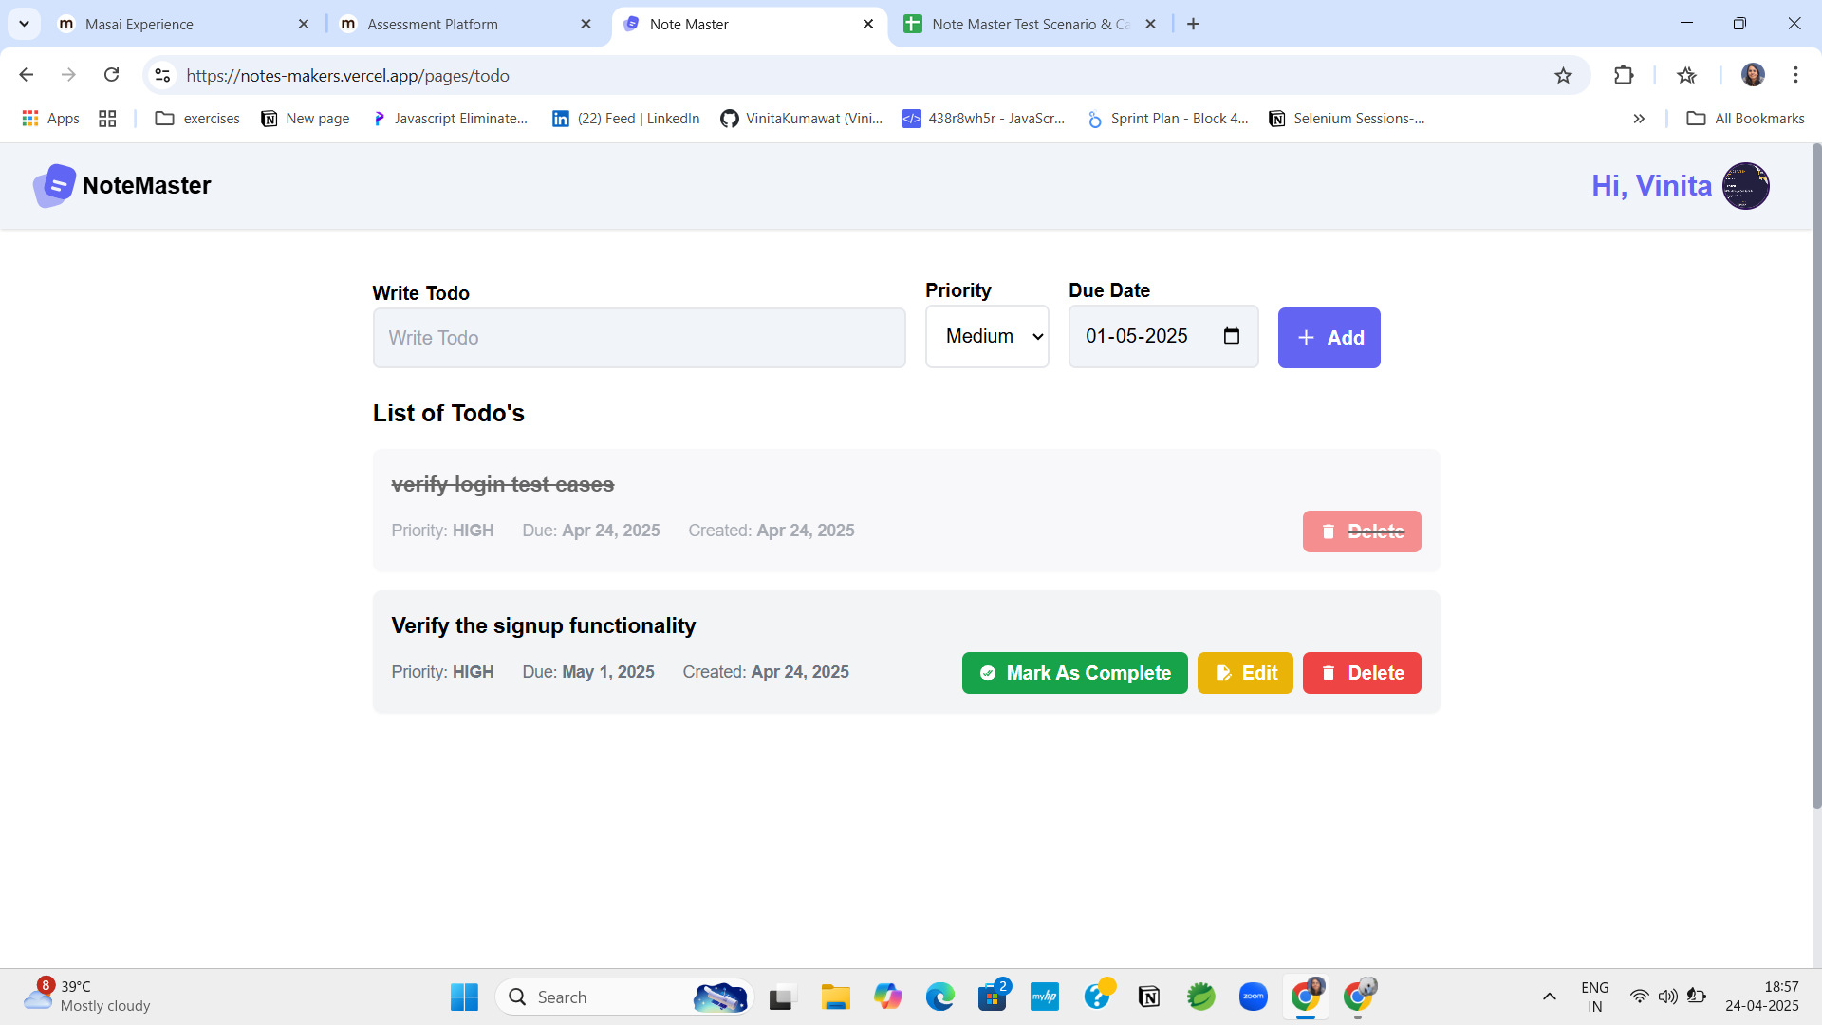
BUG_007 | TC_042 | Profile | Test case marked as failed despite expected default avatar appearing correctly. | 1. Login as user without a profile image. | Default placeholder avatar should appear. | Default avatar is shown as expected. | Mark this as a pass or clarify test case expectation if default behavior is met. | Low | Fail | 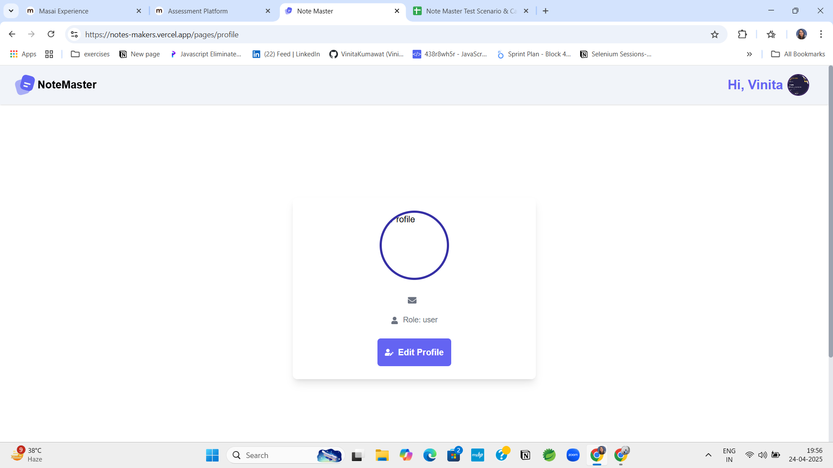
BUG_008 | TC_046 | Profile | No clear fallback text when user profile fields like name/email are left blank. | 1. Log in with a profile missing name/email fields. | Display "Not available" or default text for missing info. | After updating blank fields, success popup is shown, but unclear behavior for null values. | Add conditional rendering to show fallback text like “Not provided” where fields are null or empty. | Low | Fail | 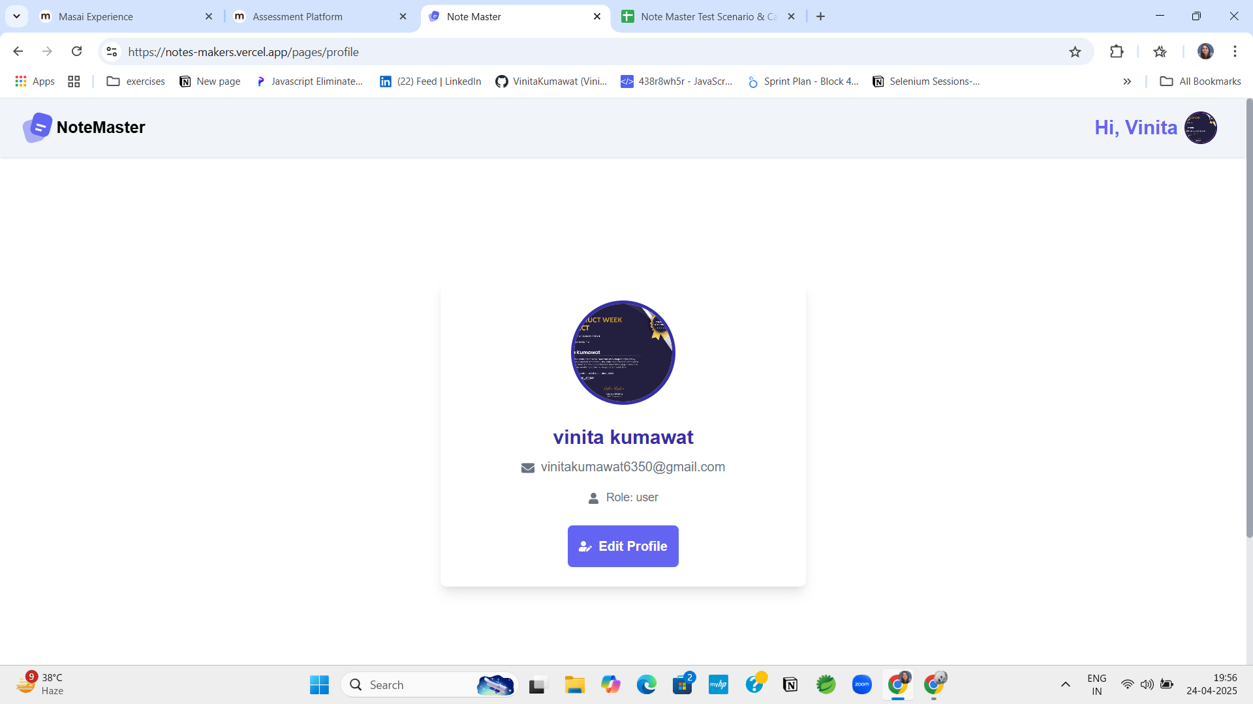
BUG_009 | TC_050 | Login | "Signup" and "Forgot Password" links are functional but visually cramped. | 1. Visit login page → Observe link spacing. | Links should be well spaced and easily clickable. | Links work, but have inconsistent spacing. | Adjust padding/margin using CSS for clearer layout. Ensure accessibility compliance. | Low | Fail | 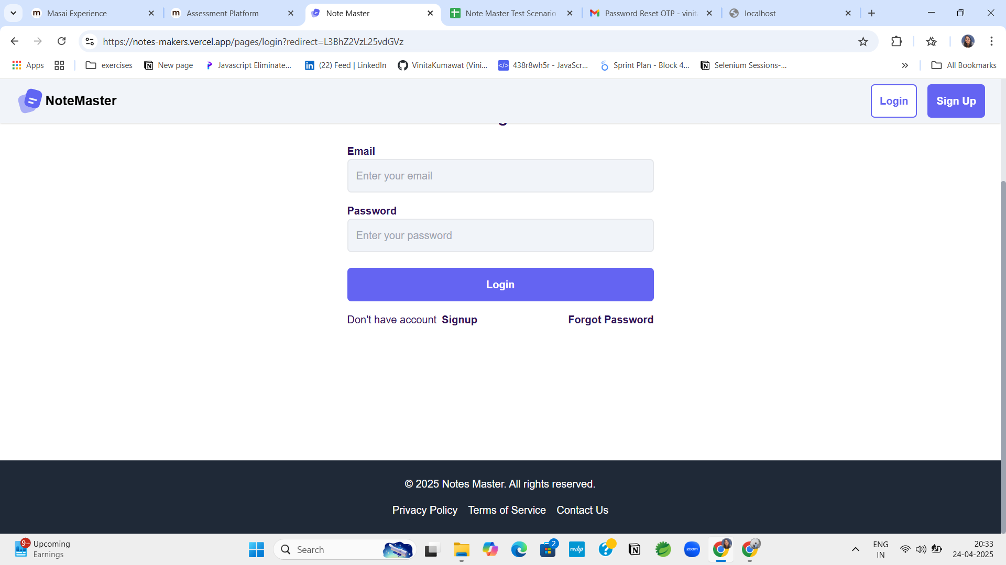
BUG_010 | TC_051 | Login | Slight misalignment in layout; “Signup” and “Forgot Password” not well aligned. | 1. Observe the layout and font alignment of login elements. | Elements should be evenly spaced, aligned, and visually consistent. | Slight alignment and spacing issues noted. | Standardize layout grid. Review CSS for font consistency and spacing rules. | Low | Fail
BUG_011 | TC_052 | Footer | Privacy Policy link in footer is responsive. | 1. Click on "Privacy Policy" link on login page footer. | Should navigate or display privacy policy information. | Clicking the link does not display any information. | Verify that the href attribute or router configuration is correctly set, and ensure the link navigates to the intended content or route. | Medium | Fail | 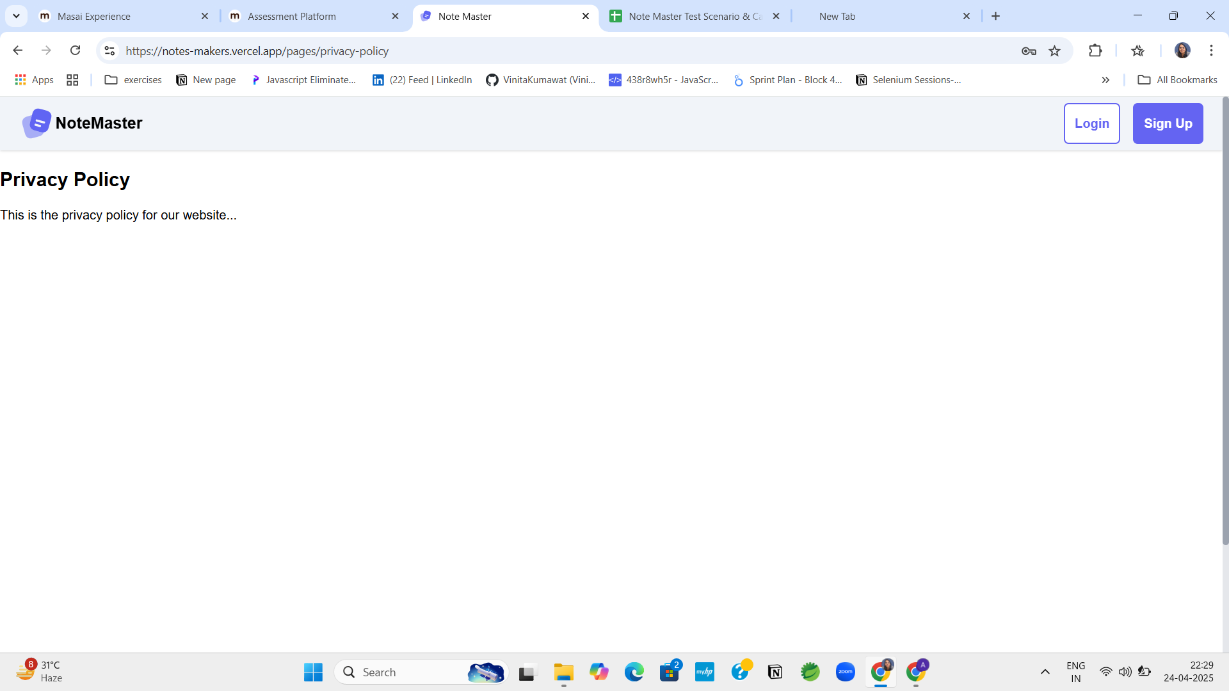
BUG_012 | TC_053 | Footer | Terms of Service link does not function. | 1. Click on "Terms of Service" link in footer. | User should be redirected or shown the terms document. | Link is non-functional. | Ensure route/component for Terms of Service is active and linked from footer. | Medium | Fail | 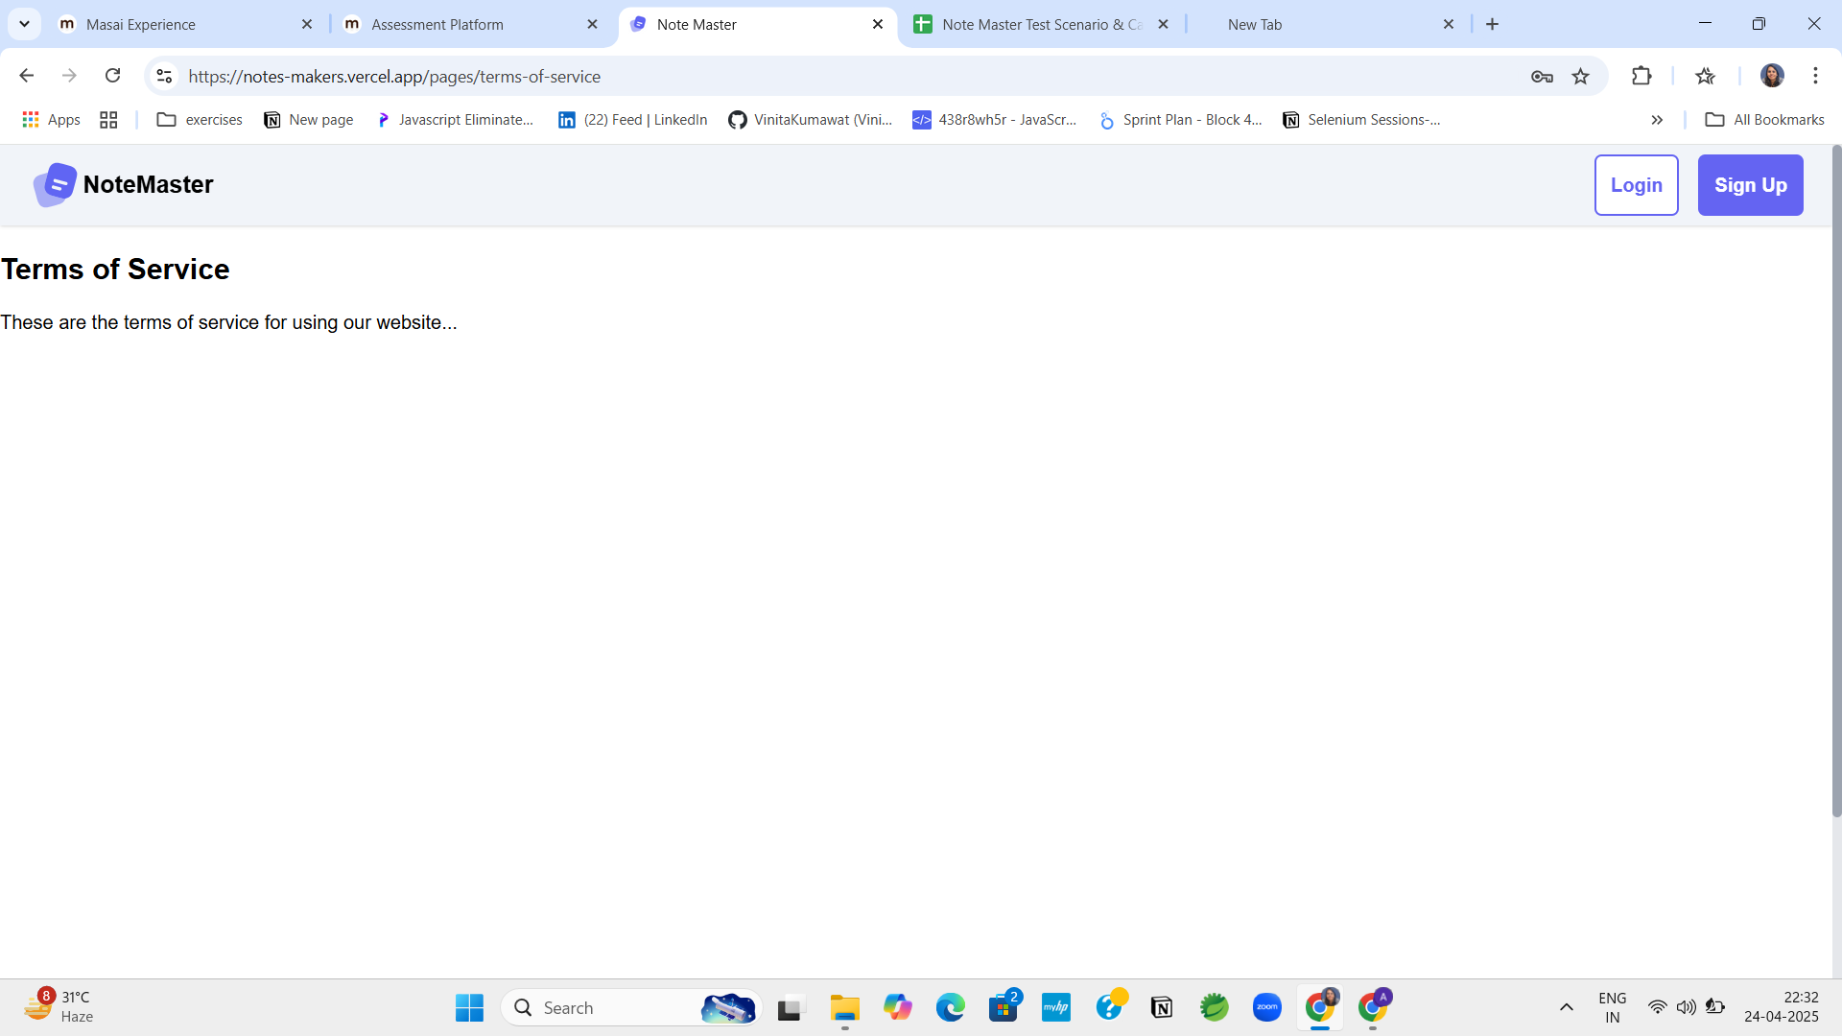
BUG_013 | TC_054 | Footer | Contact Us link does not open any relevant section or popup. | 1. Click “Contact Us” link from login page footer. | Should open a contact form or information panel. | No response when clicked. | Implement appropriate contact section, modal, or redirection from footer link. | Medium | Fail | 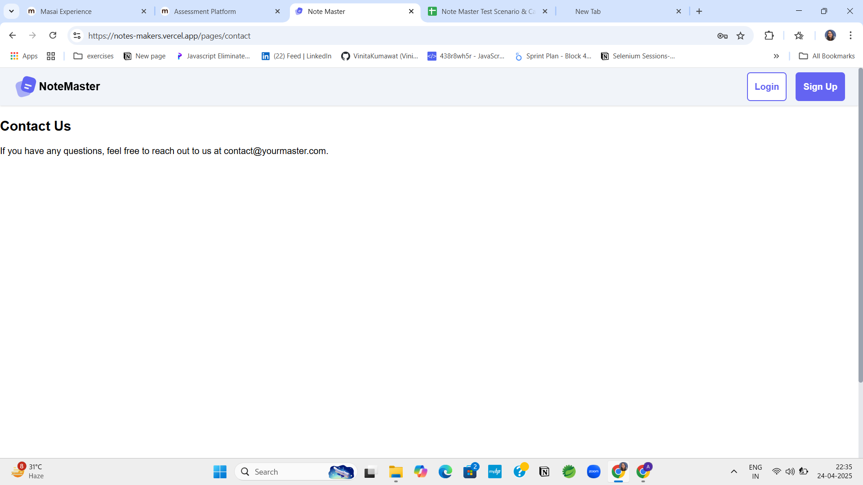
BUG_014 | TC_055 | Menu Overlay | Menu overlay dims background but interferes with other UI elements. | 1. Open menu → Observe background and overlapping areas. | Menu should not block critical content and overlay should be subtle. | Overlay causes visual overlap and reduces accessibility. | Adjust z-index, overlay opacity, and layering logic to prevent UI obstruction. | Low | Fail | 